1. Hosp rate and ALOS
Back to the Table of contents
Table 1 Age–sex-standardized hospitalization rate and age-standardized average length of stay, HMDB/OMHRS, 2011–2012 to 2015–2016
Fiscal year | Age–sex-standardized hospitalization rate (per 100,000 population) | Age-standardized average length of stay (in days)
2011–2012 | 8,332 | 7.2
2012–2013 | 8,203 | 7.1
2013–2014 | 8,205 | 7.0
2014–2015 | 8,083 | 6.9
2015–2016 | 8,054 | 7.0
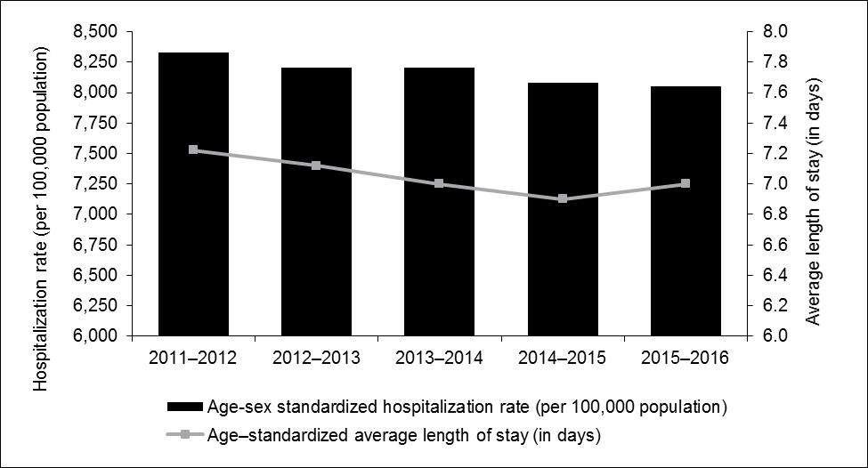
Notes
The age–sex-standardized hospitalization rate was calculated using the 2011 Canadian population as the standard population.
The pooled number of hospitalized patients from 1995–1996 to 2005–2006 was used as the standard population for age-standardized average length of stay calculations.
Sources
Hospital Morbidity Database (HMDB) and Ontario Mental Health Reporting System (OMHRS), 2015–2016, Canadian Institute for Health Information.

4. Newborns
Back to the Table of contents
Table 4 Number of newborns born in hospital, average length of stay and hospital-based newborn rate, by province/territory, HMDB, 2008–2009 to 2015–2016
 | Number of newborns born in hospital |  |  |  |  |  |  |  | Average length of stay (in days) for newborns born in hospital
Province/territory | 2008–2009 Number of newborns born in hospital | 2009–2010 Number of newborns born in hospital | 2010–2011 Number of newborns born in hospital | 2011–2012 Number of newborns born in hospital | 2012–2013 Number of newborns born in hospital | 2013–2014 Number of newborns born in hospital | 2014–2015 Number of newborns born in hospital | 2015–2016 Number of newborns born in hospital | 2008–2009 Average length of stay (in days) for newborns born in hospital | 2009–2010 Average length of stay (in days) for newborns born in hospital | 2010–2011 Average length of stay (in days) for newborns born in hospital | 2011–2012 Average length of stay (in days) for newborns born in hospital | 2012–2013 Average length of stay (in days) for newborns born in hospital | 2013–2014 Average length of stay (in days) for newborns born in hospital | 2014–2015 Average length of stay (in days) for newborns born in hospital | 2015–2016 Average length of stay (in days) for newborns born in hospital
N.L. | 4,893 | 4,927 | 4,777 | 4,441 | 4,433 | 4,560 | 4,532 | 4,437 | 3.7 | 3.7 | 3.7 | 3.7 | 3.9 | 3.7 | 3.4 | 3.6
P.E.I. | 1,395 | 1,418 | 1,367 | 1,417 | 1,281 | 1,387 | 1,368 | 1,321 | 3.7 | 3.9 | 3.8 | 3.6 | 3.9 | 3.6 | 3.4 | 3.3
N.S. | 8,958 | 9,085 | 8,774 | 8,947 | 8,682 | 8,419 | 8,502 | 8,293 | 3.6 | 3.8 | 3.8 | 3.5 | 3.7 | 3.8 | 3.6 | 3.5
N.B. | 7,452 | 7,450 | 7,364 | 7,152 | 7,093 | 6,915 | 6,919 | 6,511 | 3.7 | 3.7 | 3.5 | 3.3 | 3.4 | 3.3 | 3.3 | 3.2
Que. | 85,325 | 85,349 | 85,047 | 85,203 | 85,038 | 84,701 | 81,502 | 82,821 | 3.1 | 3.0 | 3.0 | 3.0 | 3.0 | 3.0 | 3.0 | 2.9
Ont. | 141,614 | 141,968 | 139,458 | 140,890 | 140,220 | 138,083 | 138,012 | 137,866 | 2.8 | 2.8 | 2.7 | 2.7 | 2.6 | 2.6 | 2.6 | 2.5
Man. | 15,767 | 16,085 | 16,011 | 16,047 | 16,538 | 16,542 | 16,645 | 16,942 | 3.4 | 3.4 | 3.3 | 3.1 | 3.1 | 3.2 | 3.1 | 3.2
Sask. | 13,922 | 14,395 | 14,381 | 14,435 | 14,905 | 15,096 | 15,441 | 15,410 | 3.0 | 3.0 | 3.0 | 3.0 | 3.1 | 3.0 | 2.8 | 2.9
Alta. | 49,917 | 50,691 | 49,714 | 50,067 | 51,509 | 52,282 | 54,165 | 55,244 | 2.5 | 2.5 | 2.5 | 2.5 | 2.5 | 2.5 | 2.5 | 2.5
B.C. | 43,510 | 43,720 | 42,601 | 42,794 | 43,036 | 42,181 | 42,779 | 42,829 | 2.9 | 2.9 | 2.9 | 2.9 | 2.9 | 2.9 | 2.9 | 2.9
Y.T. | 365 | 360 | 362 | 428 | 394 | 392 | 400 | 415 | 2.9 | 2.8 | 2.9 | 2.6 | 2.7 | 2.5 | 2.5 | 2.5
N.W.T. | 820 | 837 | 766 | 764 | 740 | 792 | 739 | 760 | 2.5 | 2.5 | 2.7 | 2.7 | 2.5 | 2.4 | 2.4 | 2.5
Nun. | 405 | 398 | 387 | 383 | 375 | 422 | 399 | 382 | 1.5 | 1.5 | 1.7 | 1.8 | 2.0 | 1.6 | 1.6 | 1.6
Canada | 374,343 | 376,683 | 371,009 | 372,968 | 374,244 | 371,772 | 371,403 | 373,231 | 2.9 | 2.9 | 2.9 | 2.8 | 2.8 | 2.8 | 2.8 | 2.7
National newborn rate (per 10,000) | 112 | 112 | 109 | 108 | 107 | 106 | 105 | 104 | n/a | n/a | n/a | n/a | n/a | n/a | n/a | n/a
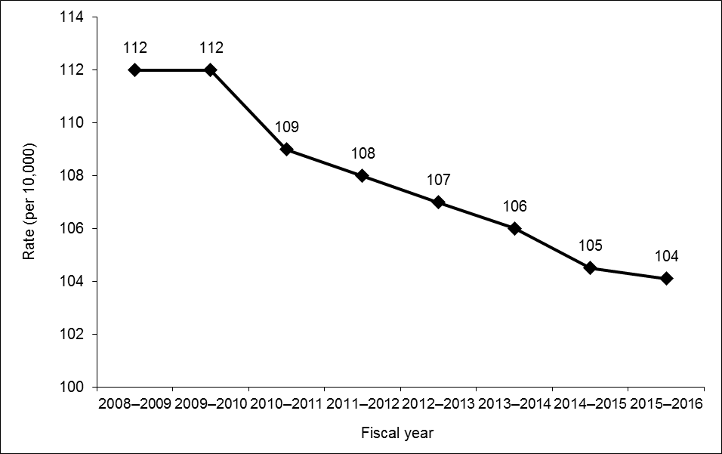 n/a: Not applicable.
Notes
National average length of stay is calculated by dividing the total length of stay for Canada by the number of discharges with a valid length of stay.
Hospital-based newborn rate is calculated using the Canadian population for each fiscal year, provided by Statistics Canada.
Source
Hospital Morbidity Database (HMDB), 2015–2016, Canadian Institute for Health Information.

